SetupSheet_mechanics
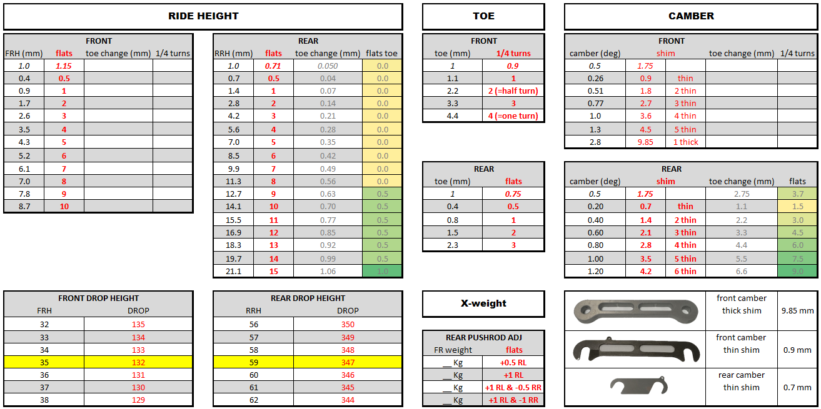
Setup Sheet
DevBotv2 |  |  |  | Date | 2019-07-24 |  | Issue |  | 01 |  |  | Chassis |  |  |  | DB24 |  | Chassis Mass |  | 1149
 |  |  |  | Event | START SETUP |  | Circuit |  | Zalazone (VW) |  |  | Driver |  |  |  | Mark Coombes |  | Driver Mass |  | 102
 |  |  |  | CE | Alan Cocks |  | RE |  | Danny King |  |  | #1 mechanic |  |  |  | Mark Coombes

 |  |  |  |  |  | FRONT AERO
 |  |  |  |  |  | Dive Planes |  |  | none |  |  |  |  |  | Foot Plate | yes |  | Barge Board |  | yes
 |  |  |  |  |  | Splitter Strake |  |  | yes |  |  | Diffuser Strake |  |  |  | yes
 |  |  |  |  |  | Extra

 | FL WHEEL |  |  |  |  |  |  |  |  |  |  |  |  |  |  |  |  |  |  |  |  |  | FR WHEEL
 |  |  |  |  | measured |  | shims [mm] |  |  |  |  |  |  |  |  |  |  |  |  | shims [mm] | measured
 | Camber [°] |  | -2.50 |  |  |  | 20 |  |  |  |  |  |  |  |  |  |  |  |  | 20 |  |  | -2.50 |  | Camber [°]

 | Toe [mm] |  | -2.5 OUT |  |  |  |  |  |  |  |  |  |  |  |  |  |  |  |  |  |  |  | -2.5 OUT |  | Toe [mm]

 | DropHeight |  | 134 |  |  |  |  |  |  |  |  |  |  |  |  |  |  |  |  |  |  |  | 134 |  | DropHeight
 |  |  |  |  |  |  | pushrod [mm] |  |  |  |  |  |  |  |  |  |  |  |  | pushrod [mm]
 | FRH [mm] |  | 33 |  |  |  | 30 |  |  |  |  |  |  |  |  |  |  |  |  | 30 | 33 |  |  |  | FRH [mm]

 | Note: -ve Toe Out |  |  |  |  |  |  |  |  |  |  |  |  |  |  |  |  |  |  |  |  |  | Note: -ve Toe Out
 | CW(Kg) |  |  |  | 184.0 |  |  |  |  |  |  |  |  |  |  |  |  |  |  | 183.5 |  |  | CW(Kg)

 |  |  |  |  |  |  |  |  | FRONT SUSPENSION
 |  |  |  |  |  |  |  |  | Geometry |  |  | standard
 |  |  |  |  |  |  |  |  | FARB |  |  | 40mm (300 Nm/rad) |  |  |  | medium-medium |  | Position
 |  |  |  |  |  |  |  |  | Side Spring |  |  | 1302 lbs/in
 |  |  |  |  |  |  |  |  | FL spring PL length |  |  | 88 |  |  |  | 88 |  | FR spring PL length
 |  |  |  |  |  |  |  |  | @ droop |  |  |  |  |  |  |  |  | @ droop
 |  |  |  |  |  |  |  |  | Corner Bump Rubber |  |  | 1 x 01193-81 |  |  |  |  |  | Gaps droop / Gnd
 |  |  |  |  |  |  |  |  | FL gap @ droop |  |  |  |  |  |  |  |  | FR gap @ droop

 |  |  |  |  |  |  |  |  | FL gap @ ground |  |  |  |  |  |  |  |  | FR gap @ ground

 |  |  |  |  |  |  |  |  | Dampers |  |  | Ohlins TX 2 way
 |  |  |  |  |  |  |  |  | Bump |  |  | 12/25
 |  |  |  |  |  |  |  |  | Rebound |  |  | 12/25

 |  |  |  |  |  |  |  |  | REAR SUSPENSION
 |  |  |  |  |  |  |  |  | Geometry |  |  | standard
 |  |  |  |  |  |  |  |  | RARB |  |  | 20mm (200 Nm/rad) |  |  |  | 3/3 |  | Position
 |  |  |  |  |  |  |  |  | Side Spring |  |  | 1050 lbs/in |  |  |  |  |  | for Canopy
 |  |  |  |  |  |  |  |  | RL spring PL length |  |  | 98 |  |  |  | 98 |  | RR spring PL length
 |  |  |  |  |  |  |  |  | @ droop |  |  |  |  |  |  |  |  | @ droop
 |  |  |  |  |  |  |  |  | Corner Bump Rubber |  |  | 2x01119S-61 Med |  |  |  |  |  | Gaps droop / Gnd
 |  |  |  |  |  |  |  |  | RL gap @ droop |  |  |  |  |  |  |  |  | RR gap @ droop

 |  |  |  |  |  |  |  |  | RL gap @ ground |  |  |  |  |  |  |  |  | RR gap @ ground

 |  |  |  |  |  |  |  |  | Dampers |  |  | Ohlins TX 2 way
 |  |  |  |  |  |  |  |  | Bump |  |  | 12/25
 |  |  |  |  |  |  |  |  | Rebound |  |  | 12/25

 | RL WHEEL |  |  |  |  |  |  |  |  |  |  |  |  |  |  |  |  |  |  |  |  |  | RR WHEEL
 |  |  |  |  | measured |  | shims [mm] |  |  |  |  |  |  |  |  |  |  |  |  | shims [mm] | measured
 | Camber [°] |  | -1.5 |  |  |  | 5 |  |  |  |  | DropHeight [mm] |  |  |  |  |  |  |  | 5 |  |  | -1.5 |  | Camber [°]
 |  |  |  |  |  |  |  |  |  |  |  | 356
 | Toe [mm] |  | 2.0 IN |  |  |  |  |  |  |  |  |  |  |  |  |  |  |  |  |  |  |  | 2.0 IN |  | Toe [mm]
 |  |  |  |  |  |  | pushrod [mm] |  |  |  |  | measured |  |  |  |  |  |  |  | pushrod [mm]
 | RRH [mm] |  | 50 |  |  |  | 25 |  |  |  |  |  |  |  |  |  |  |  |  | 25 | 50 |  |  |  | RRH [mm]

 | Note: +ve Toe In |  |  |  |  |  |  |  |  |  |  | Rake |  |  |  |  |  |  |  |  |  |  | Note: +ve Toe In
 | CW(Kg) |  |  |  | 307.0 |  |  |  |  |  |  | 17.0 |  |  |  |  |  |  |  | 311.0 |  |  | CW(Kg)

 |  |  |  |  |  |  |  |  | BRAKE BIAS
 |  |  |  |  |  |  |  |  |  |  |  | Brake Bias Spacer Arr't | 9.3F-7.5R |  |  |  | Brake Bias %F | 52.4
 |  |  |  |  |  |  |  |  |  |  |  | Spacer Reference | (Set 1)

 |  |  |  |  |  | REAR AERO
 |  |  |  |  |  | Wing [°] |  |  | hole 4 |  |  | Wing Gurney [mm] |  |  |  | 0 |  | Rear Deck Gurney |  | 50/27
 |  |  |  |  |  | Extra

 |  | ADDITIONAL NOTES

 |  | RH change calc. |  |  |  |  | Toe change calc. |  |  |  | RH_R / Toe |  |  |  |  |  | Rear camber/toe relationship |  |  |  | Spring rate converter
 |  | mm | 2.0 | Front |  |  | mm | 20.0 | Front |  | d(RH)mm | 1.0 |  | d[REAR TOE] |  |  | d[Camber] | 0.1 | d[toe] |  | N/mm | 175 |  | 1000 | lb/in
 |  | Flats | 2.3 |  |  |  | 1/4 turns | 18.0 |  |  | d(toe) mm | 0.1 |  |  |  |  | d[Toe] mm | 0.6 |  |  | lb/in | 999.3 |  | 175.1 | N/mm
 |  |  |  |  |  |  |  |  |  | REAR CAMBER per shim
 |  | mm | 2.0 | Rear |  |  | mm | 12.0 | Rear |  | deg | 0.4 |  | d[Rear camber]
 |  | Flats | 1.4 |  |  |  | Flats | 9.0 |  |  | shim [mm] | 1.4

